Sheet1
Slough Children's Services Trust
Multi Agency Course Booking Form
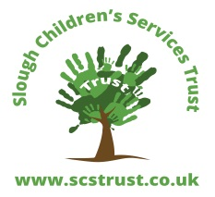 |  | When all the RED warning signs below have disappeared, Save the spreadsheet and send the saved form to training@scstrust.co.uk

Please complete a separate form for each course and each attendee.

First name | Surname | You have not completed all the details on the form

Email

Job Title | Team

Organisation

Address

Manager

Course Title

Course Date | Course Times

Purchase Order Number | (N/A if course is free) | Please raise a PO

Email for invoicing purposes |  | Please enter Finance Email address for invoicing

Do you have any special requirements? | (Y or N) (if 'Yes', then we will be in contact) | Please complete the special requirements box.

I have discussed this with my Manager. | (Y or N) | You MUST seek Manager approval

Your training request should be discussed and approved by your Line Manager. Please note that ALL fields must be completed. The form will be returned with no booking, if it is not completed fully. Please return the form to training@scstrust.co.uk. Please copy in your Line Manager If you have any question then please contact us on 01753 875771 of email to the above address.

Version 1 - 21 June 2018 - HR_L&D(RH)

